left to right
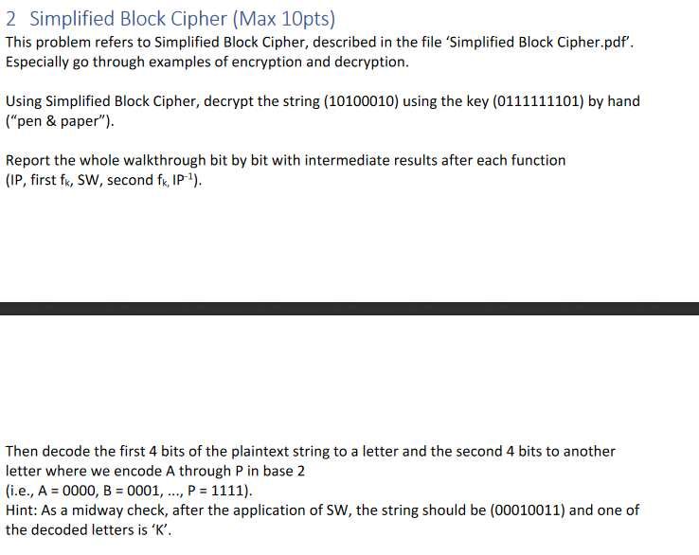

String(ciphertext): | 10100010
Key: | 0111111101

Calculating k1 and k2

p10 used bits | 0111111101
p10 result | 1111110011
LS-1 input | 11111 | LS-1 | 10011
LS-1 result | 11111 |  | 00111
p8 used bits | 1111100111
p8 result=key 1 | 01011111

LS-2 input | 11111 | LS-2 | 00111
LS-2 result | 11111 |  | 11100
p8 used bits | 1111111100
p8 result=key 2 | 11111100

decryption
String(ciphertext): | 10100010

key 1 | 01011111
key 2 | 11111100

ip(ciphertext) input | 10100010
ip(ciphertext) result | 00110001
L | 0011
R | 0001
SK | 11111100

E/P input | 0001
E/P result | 10000010
XOR input | 10000010, | 11111100
XOR result | 01111110
s0 input | 0111
s0 array | 1032
 | 3210
 | 0213
 | 3132
s0row result | dec(1)
s0column result | dec(3)
s0bin result | 00

s1 input | 1110
s1 array | 0123
 | 2013
 | 3010
 | 2103
s1row result | dec(2)
s1column result | dec(3)
s1bin result | 00

s0+s1 result | 0000
p4 input | 0000
p4 result | 0000

XOR (L, p4 result) | 0011 | 0000
XOR result | 0011
fk(xor result, R) | 0011 | 0001
fk result | 00110001
SW | 00010011

SECOND Fk
 |  |  |  |  |  |  | 0 | 1 | 2 | 3 | 4 | 5 | 6
L | 0001 |  |  |  |  |  | 0000 | 0001 | 0010 | 0011 | 0100 | 0101 | 0110
R | 0011 |  |  |  |  |  | A | B | C | D | E | F | G
SK | 01011111 |  |  |  |  |  | 7 | 8 | 9 | 10 | 11 | 12 | 13
 |  |  |  |  |  |  | 0111 | 1000 | 1001 | 1010 | 1011 | 1100 | 1101
E/P input | 0011 |  |  |  |  |  | H | I | J | K | L | M | N
E/P result | 10010110 |  |  |  |  |  | 14 | 15
XOR input | 10010110, | 01011111 |  |  |  |  | 1110 | 1111
XOR result | 11001001 |  |  |  |  |  | O | P
s0 input | 1100
s0 array | 1032
 | 3210
 | 0213
 | 3132
s0row result | dec(2)
s0column result | dec(2)
s0bin result | 01

s1 input | 1001
s1 array | 0123
 | 2013
 | 3010
 | 2103
s1row result | dec(3)
s1column result | dec(0)
s1bin result | 10

s0+s1 result | 0110
p4 input | 0110
p4 result | 1010

XOR (L, p4 result) | 0001 | 1010
XOR result | 1011
fk(xor result, R) | 1011 | 0011
fk result | 10110011
ip-1 input | 10110011
ip-1 result | 11101010
first 4 bits | 1110
second 4 bits | 1010
plaintext | OK

0 | 1 | 2 | 3 | 4 | 5 | 6
0000 | 0001 | 0010 | 0011 | 0100 | 0101 | 0110
A | B | C | D | E | F | G
7 | 8 | 9 | 10 | 11 | 12 | 13
0111 | 1000 | 1001 | 1010 | 1011 | 1100 | 1101
H | I | J | K | L | M | N
14 | 15
1110 | 1111
O | P

